GPA ACC Cabinet
GPA, ACC Cabinet

Required time: 10 min.

Required tools: Screwdriver, 4mm Allen Head key, flashlight

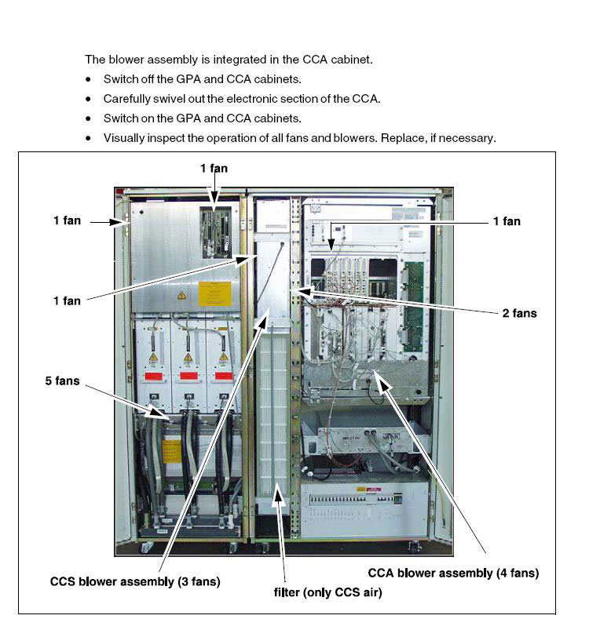

 | BACK

Patient Blower
Patient blower

Checking the air filter of the patient blower

Required time: 10 min
Required tools and parts: 5 mm Allen key, air filter in case of pollution or damage.

1. Switch off the patient blower on the control unit.
2. Remove the lower service cover.
3. Remove the top service cover.

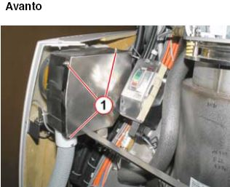
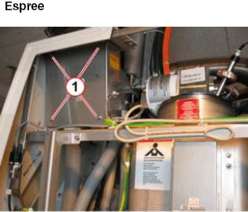

4. Remove the cover panel of the patient fan.
5. Loosen the Allen screws.
6. Loosen the wing nut.
7. Remove the filter grid (for Avanto; remove the filter grid by slightly tilting and moving upwards).

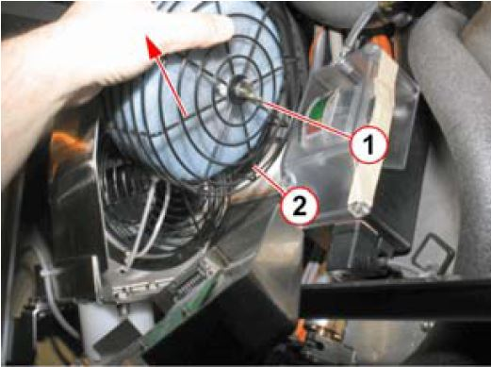

8. If the filter grid is secured with a cable tie, cut the cable tie.
9. Check and clean the air filter. Replace the parts if necessary.
10. Reinstall in reverse order.

BACK

Grease Cartridge
Grease cartridge in the patient table arm

Switch off fuse F15 on the CCA and protect against accidental switch-on.

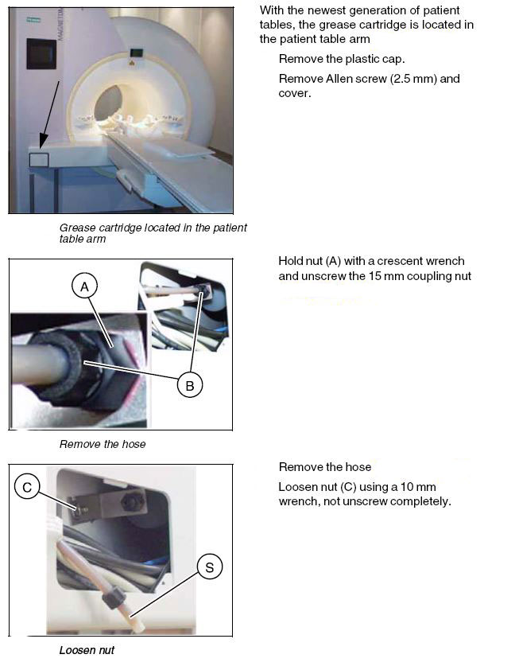

Remove the grease cartridge and the bracket.
Untwist the grease cartridge from the bracket.

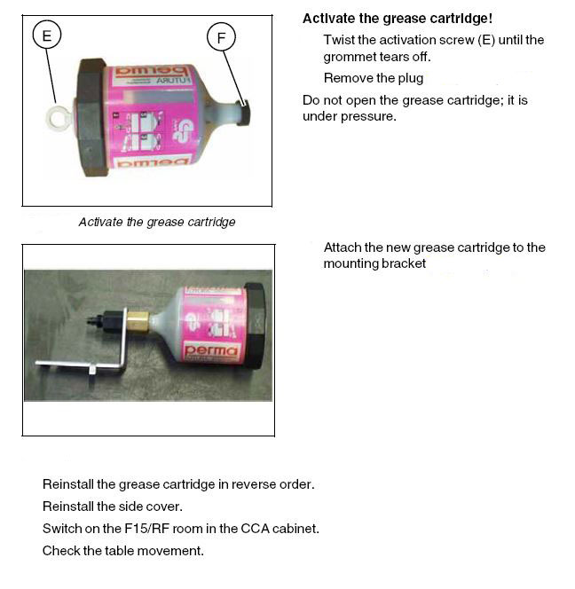

Position of the grease cartridge at the patient table lifting assembly

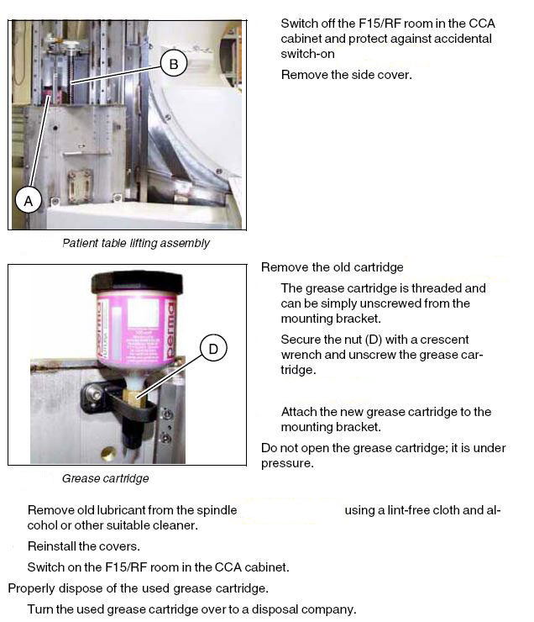

 | BACK

RCA Primary
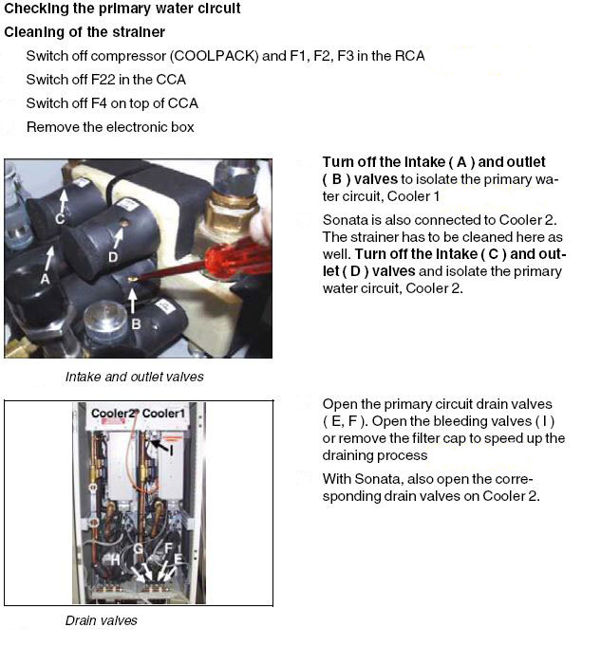

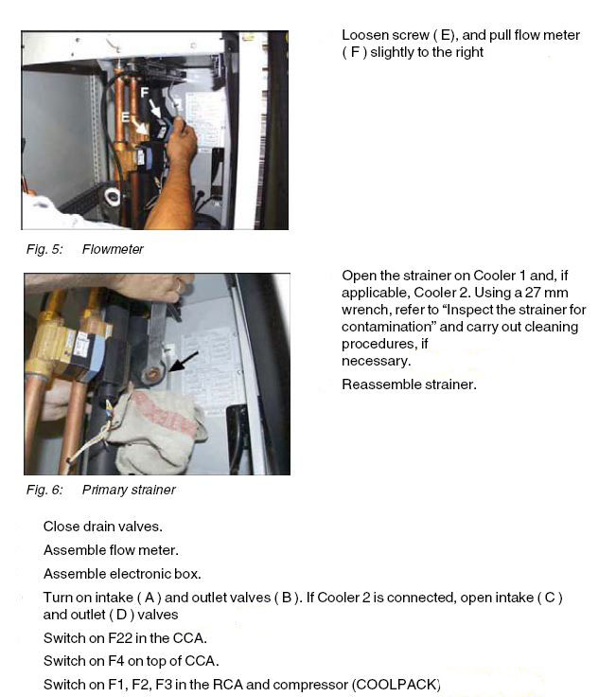

BACK

RCA Secondary
Checking the secondary water circuit

Cleaning of the stainer

Disconnect all power from machine
Switch off compressor (COOLPACK) and F1, F2, F3 in the RCA.
Switch off F22 in the CCA
Switch off F4 on top of CCA

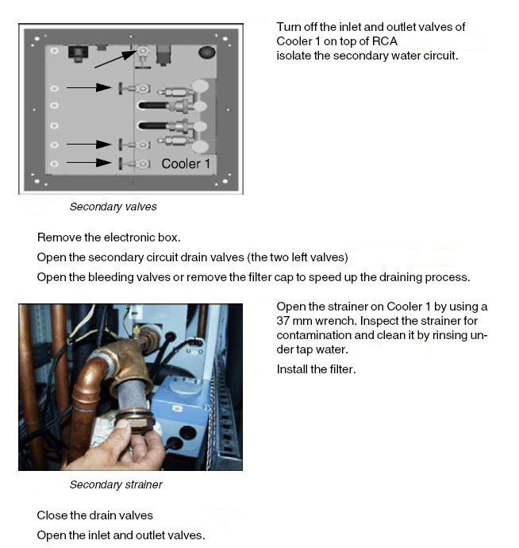

 | BACK

Body Coil
Cleaning the body coil water filter (water cooled body coil only)

The previous versions of the Symphony / Sonata body coils are water cooled. The newer
Body Coil-2 is not water cooled. Check the system configuration to identify your type of
body coil. Newer type body coils have a BTB-2 type, e.g. BTB047-2.
Harmony body coils are always water cooled.

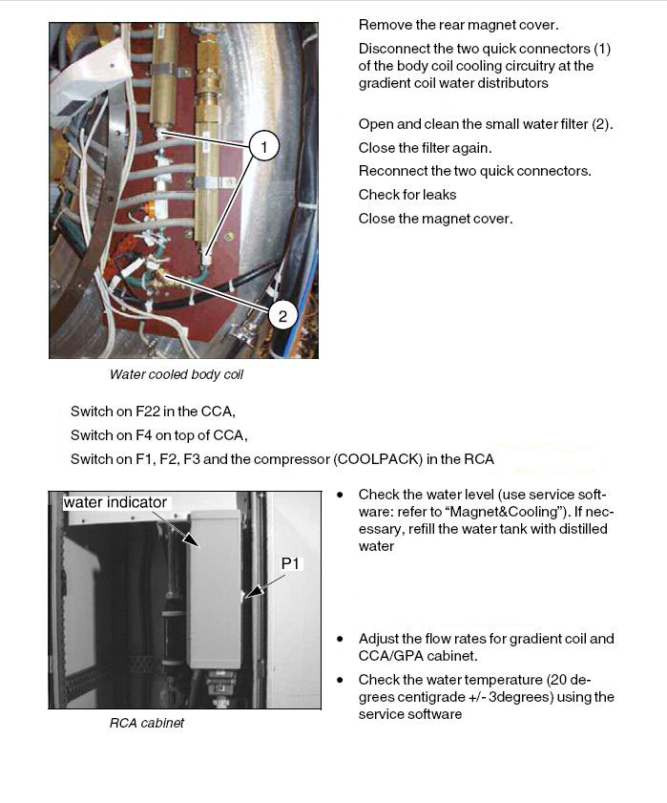

 | BACK

Shield Temps
Shield Temperatures

Required time: 5 minutes
Required tools: n.a.

1. On the scan screen on the top menu click, options, then service, then local service.
2. At the service screen enter a valid service key. If the key is not good or you need a new one call the Siemens Uptime Service Center at 1-800-888-7436
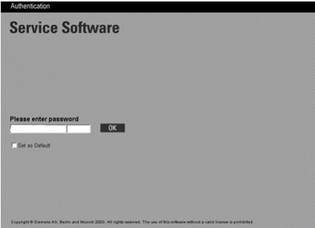

3. Click on Magnet and Cooling.
4. Click on Magnet Status.


5. Once the information is displayed note the shield temperatures.

 | Back

Magnet System
Magnet system

Required time: 5 min.
Required tools: n.a.
Checking the cold head

1. Check the cold head performance using ’ Magnet & Cooling > (Magnet) Status ’ in the
Service Software.
*If the cooling performance is insufficient the cold head needs to be replaced.

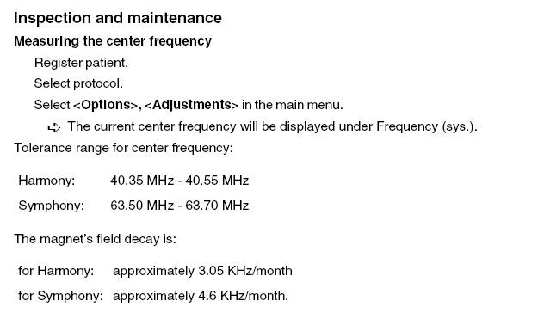

 | BACK

Adsorber
Adsorber
Replacing the adsorber.

Replacing the adsorber (APD Coolpak 6000; every two years) |  |  |  |  |  | For the F-70/HC10 click here.

Required time: 70 min.
Required parts and tools:
 | Adsorber (part number: 4763707)
 | Medium Philips screwdriver, large Philips screwdriver
 | Set of Nuts
 | Fork wrench: 13mm
 | Fork wrench: 1 1/8”; 1 3/8”; included with magnet accessories

 | Adsorbers are filled with 99.999 grade helium to a pressure of 14-16 bar. Do not vent the new adsorber.

APD Coolpak 6000

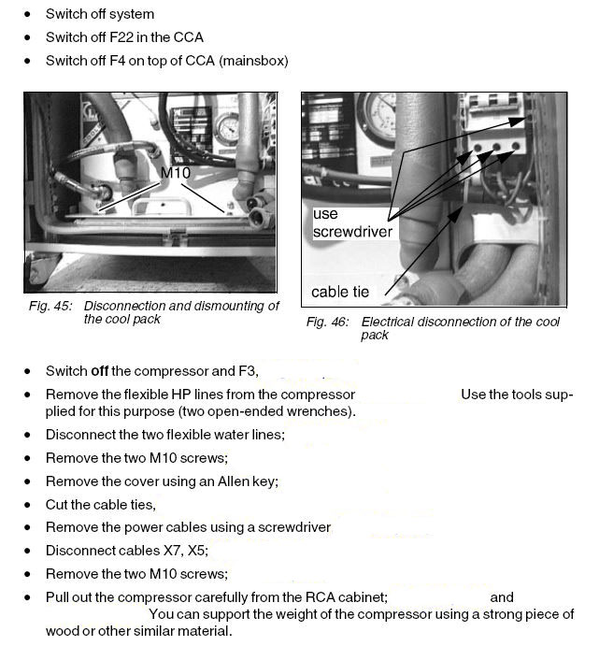

 |  |  |  |  |  |  | Use any means you see fit. A cheap Harbor Freight Dolly works great!
 |  |  |  |  |  |  | Link to the Harbor Freight Dolly.

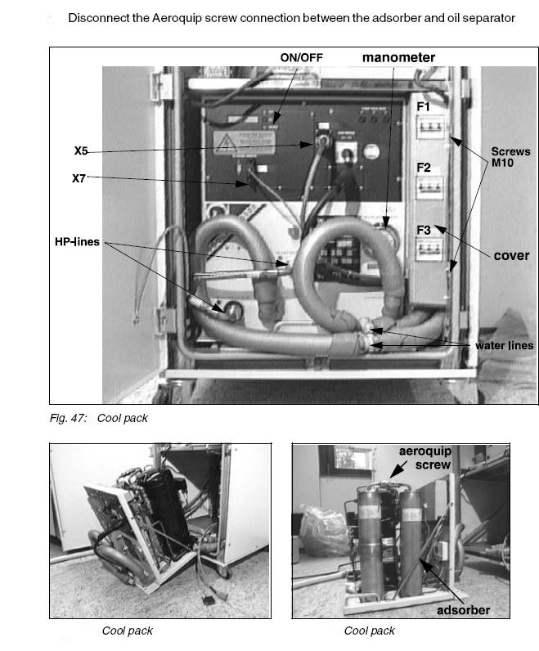

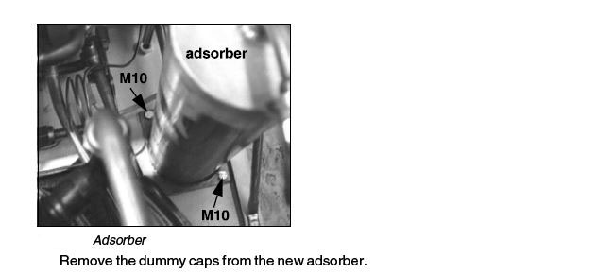

Install in reverse order. |  |  |  |  |  | BACK

F-70/HC10

Replacing the adsorber (F70; every three years/ HC10; every two years)

Required time: 70 min.

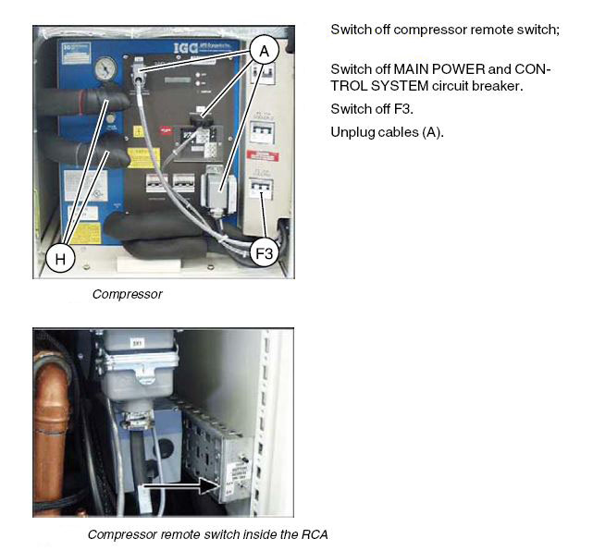
F-70 Adsorder part # |  |  | 07461127
HC-10 Adsorber part #

 | Adsorbers are filled with 99.999 grade helium to a pressure of 14-16 bar. Do not vent the new adsorber.

 |  | F-70
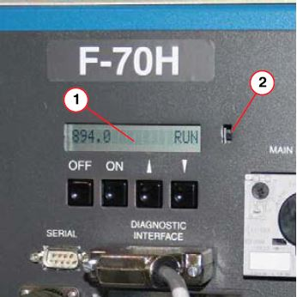
 |  |  |  |  | 1. If the configuration selector switch |  |  | HC-10
 |  |  |  |  | has been set to configuration 2,
 |  |  |  |  | both ON and OFF buttons are disabled.

 |  |  |  |  | 2. Switch the compressor ON or OFF
 |  |  |  |  | using the main power switch.

 |  |  |  |  | 3. If the compressor is set to configuration
 |  |  |  |  | 1, use the ON/OFF buttons on
 |  |  |  |  | the Control panel.

Adsorber Removal

4. The compressor may be a stand alone unit, or fitted into a cooling cabinet.
5. Press the OFF button on the Control panel.
6. Turn off the compressor at the main power switch.

7. Isolate power to the compressor: F3 COOLPAK breaker
8. Disconnect the high pressure (supply) and low pressure (return) helium gas lines.

11. Disconnect the Mains supply, Cold head motor and MSUP interface cables.
12. If the compressor is in a cabinet, remove the mounting screws and remove the compressor from the cabinet. The HF dolly would work here as well.
13. Remove the screws and eye bolts holding the cover on the compressor.
14. Hold the "HOLD" nut secure when you remove the aeroquip connection on the adsorber. Loosen both sides of the adsorber.
15. Remove the screws holding the adsorber to the floor of the compressor.
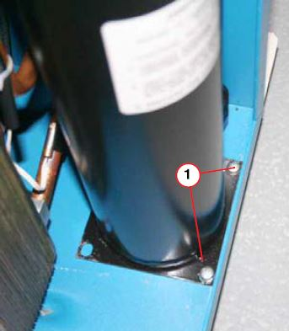

16. Remove the adsorber ond install new adsorber.
17. Reinstall in reverse order.

 |  |  |  | BACK

Phantoms
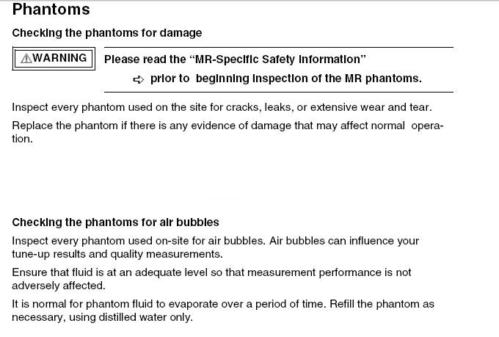

BACK

Computer Mouse
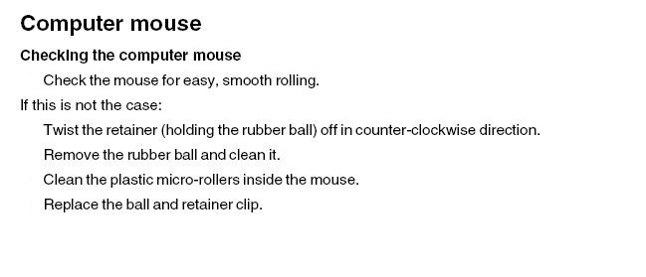

BACK

Comfort Kit
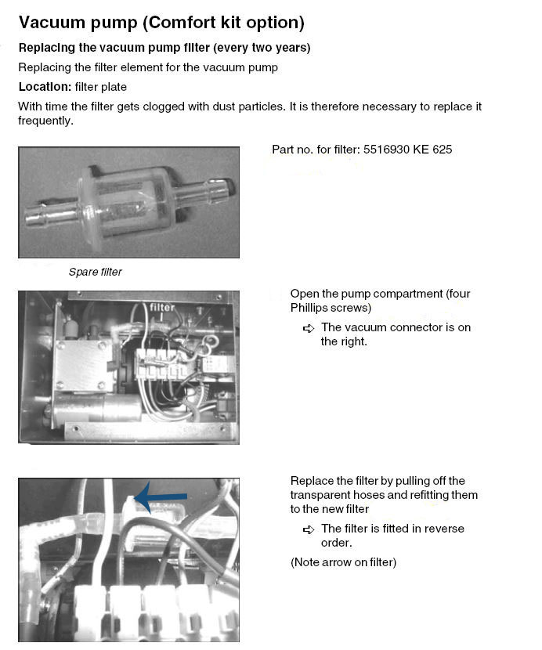

BACK

Save SIte
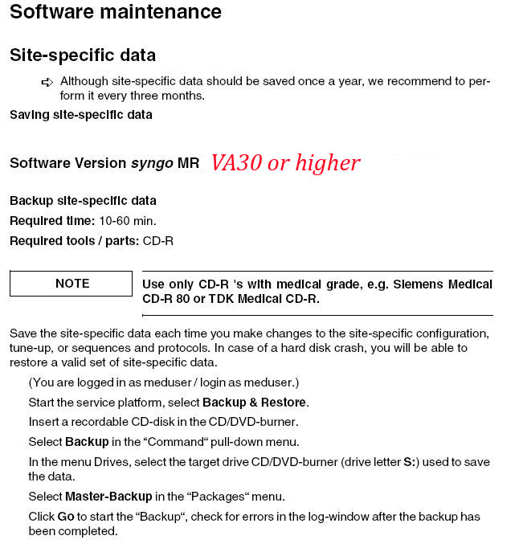
 | BACK

Creating a Back-up For VA25 and below SYNGO

Directory Clean Up
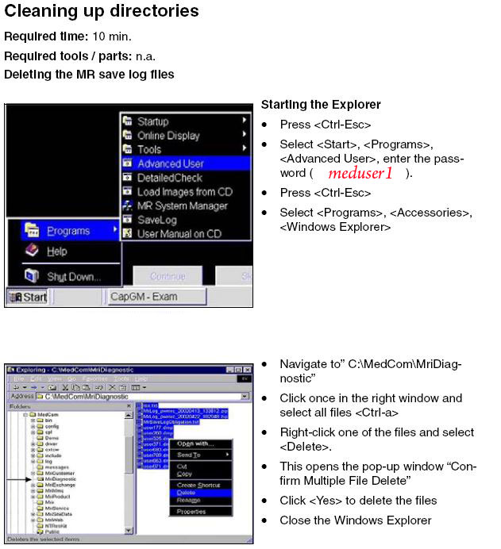

BACK

QA
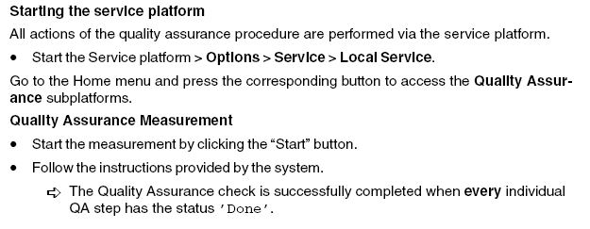

BACK

Tales
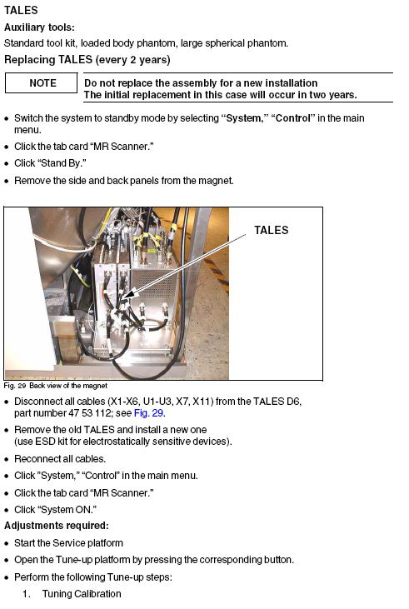

BACK

ERDU Battery
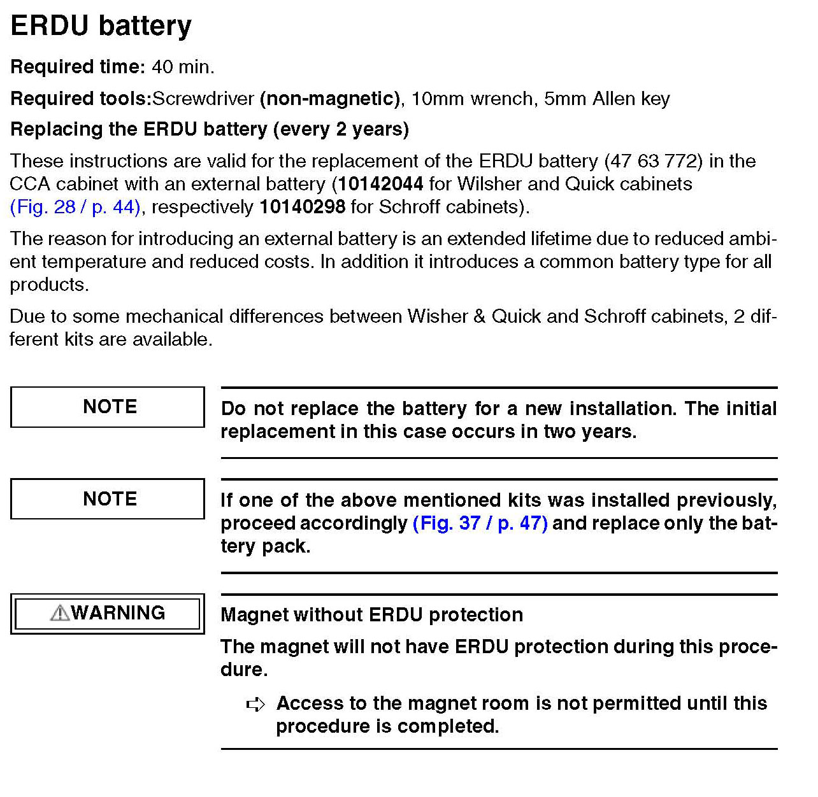

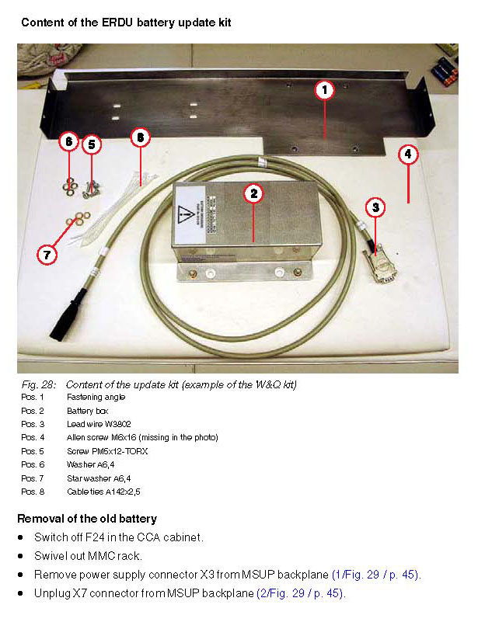

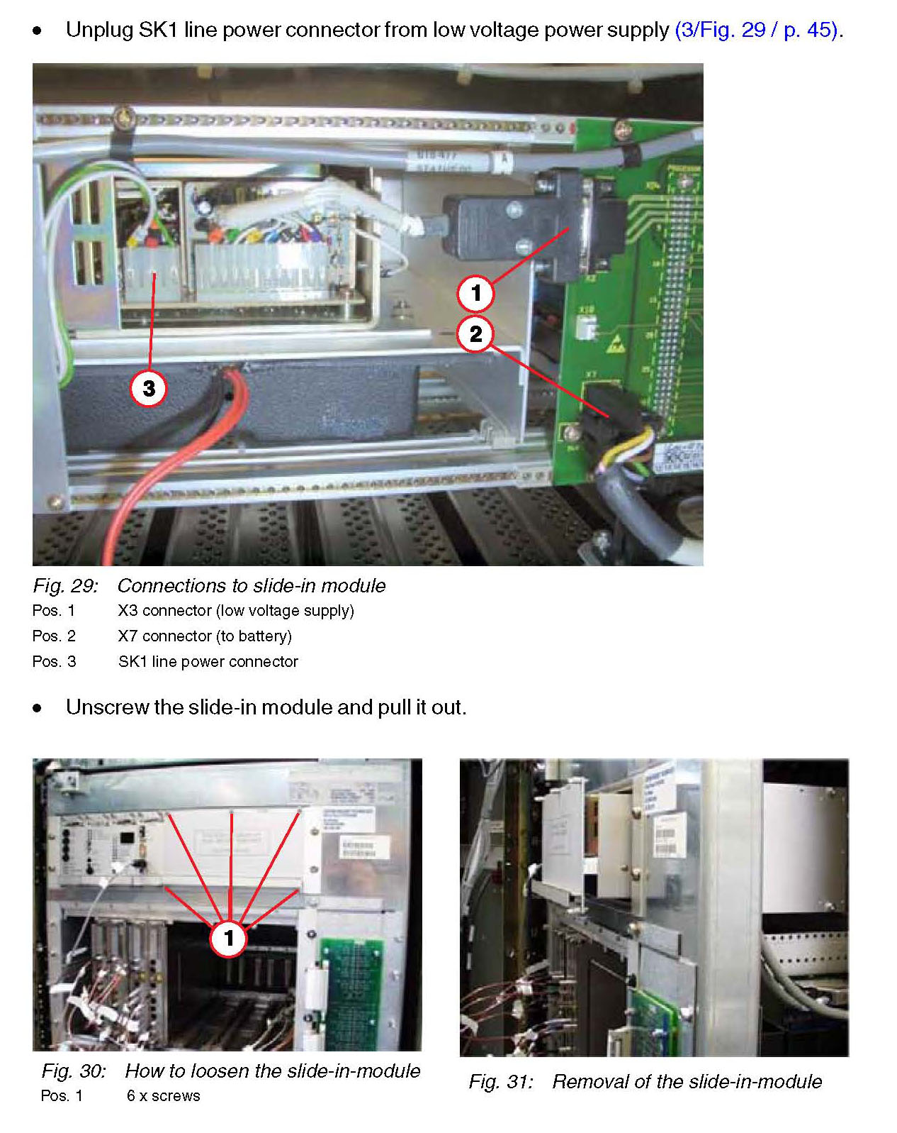

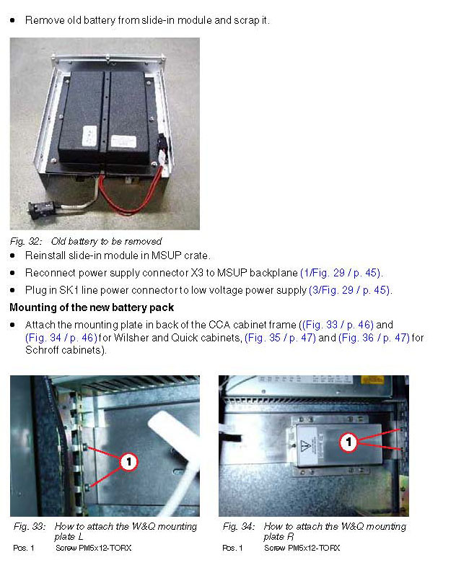

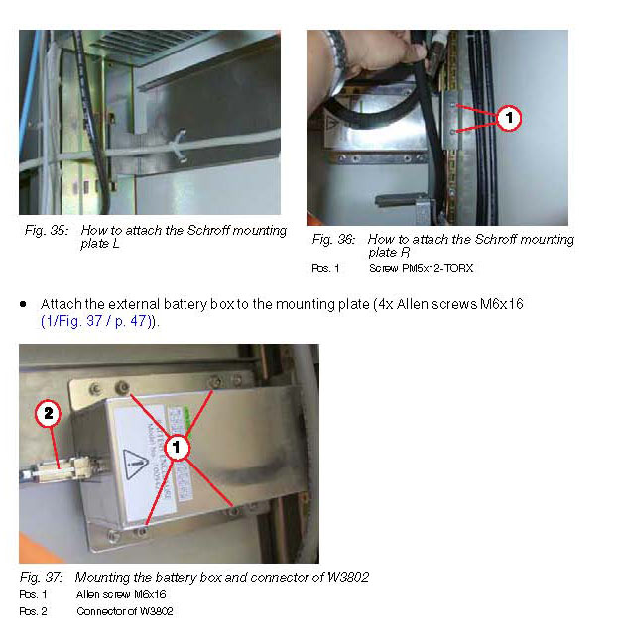

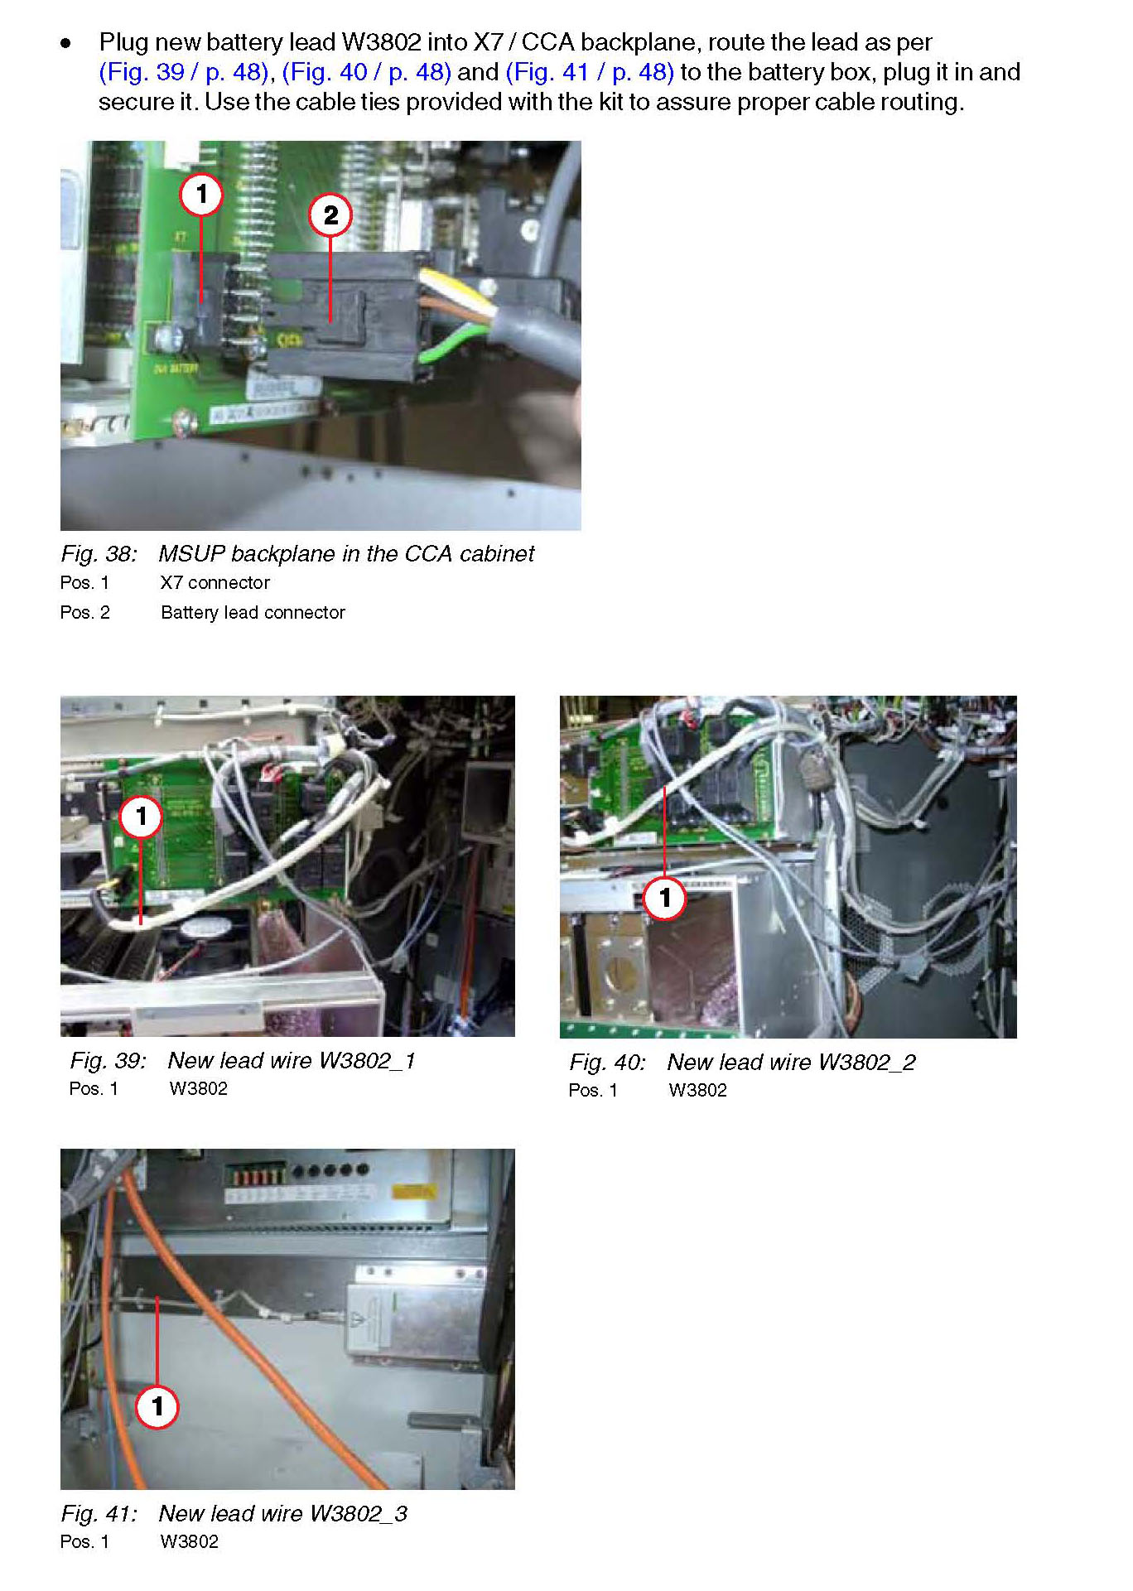

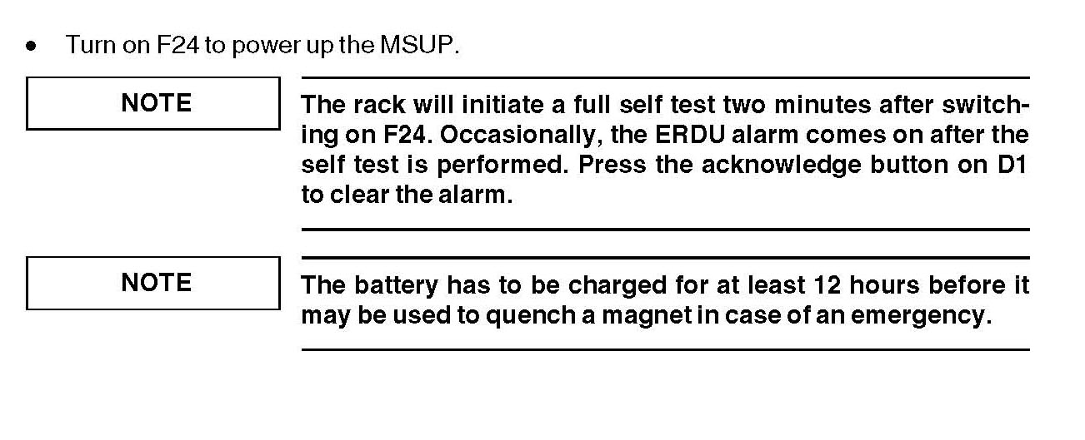

BACK

